Sheet1
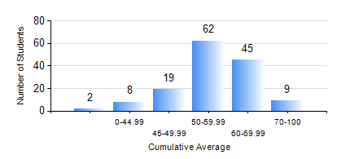
 |  |  | KWAME NKRUMAH UNIVERSITY OF SCIENCE AND TECHNOLOGY, KUMASI Department of Agricultural and Biosystems Engineering

 |  |  | BSC. AGRICULTURAL ENG.

 |  |  | COMPREHENSIVE RECORD OF EXAMINATION RESULTS

 |  |  | RESULTS OF YEAR 1 SECOND SEMESTER, 2021/2022 ACADEMIC YEAR

 | Sn | Course Code |  | Course Name | Credit Hours | Min. Mark | Max. Mark | Avg. Mark | Std. Dev. | No. Passed | No. Trailed | No. (Df) | No. (I) | No. (I*) | No. Tagged(I,I*,Df) | Total
 | 0. |  |  |  |  |  |  | 0 | 0 | 0 | 0 | 0 | 0 | 0 | 0 | 2
 | 1. | AE 158 |  | INTRODUCTION TO INFORMATION TECHNOLOGY | 2 | 20 | 83 | 56 | 10.66 | 138 | 5 | 0 | 0 | 0 | 0 | 143
 | 2. | AE 162 |  | BASIC AGRICULTURE | 2 | 11 | 86 | 61 | 11.57 | 138 | 5 | 0 | 0 | 0 | 0 | 143
 | 3. | AE 196 |  | ENGINEERING WORKSHOP PRACTICE | 1 | 51 | 84 | 66 | 6.64 | 143 | 0 | 0 | 0 | 0 | 0 | 143
 | 4. | EE 152 |  | BASIC ELECTRONICS | 3 | 9 | 83 | 54 | 11.13 | 134 | 8 | 0 | 1 | 0 | 1 | 143
 | 5. | ENGL 158 |  | COMMUNICATION SKILLS II | 2 | 35 | 79 | 59 | 8.31 | 141 | 2 | 0 | 0 | 0 | 0 | 143
 | 6. | MATH 152 |  | CALCULUS WITH SEVERAL VARIABLES | 4 | 21 | 88 | 63 | 10.69 | 142 | 1 | 0 | 0 | 0 | 0 | 143
 | 7. | ME 160 |  | ENGINEERING DRAWING | 3 | 0 | 89 | 63 | 13.69 | 139 | 4 | 0 | 0 | 0 | 0 | 143
 | 8. | ME 162 |  | BASIC MECHANICS | 3 | 28 | 83 | 55 | 12.92 | 136 | 7 | 0 | 0 | 0 | 0 | 143

